Dashboard
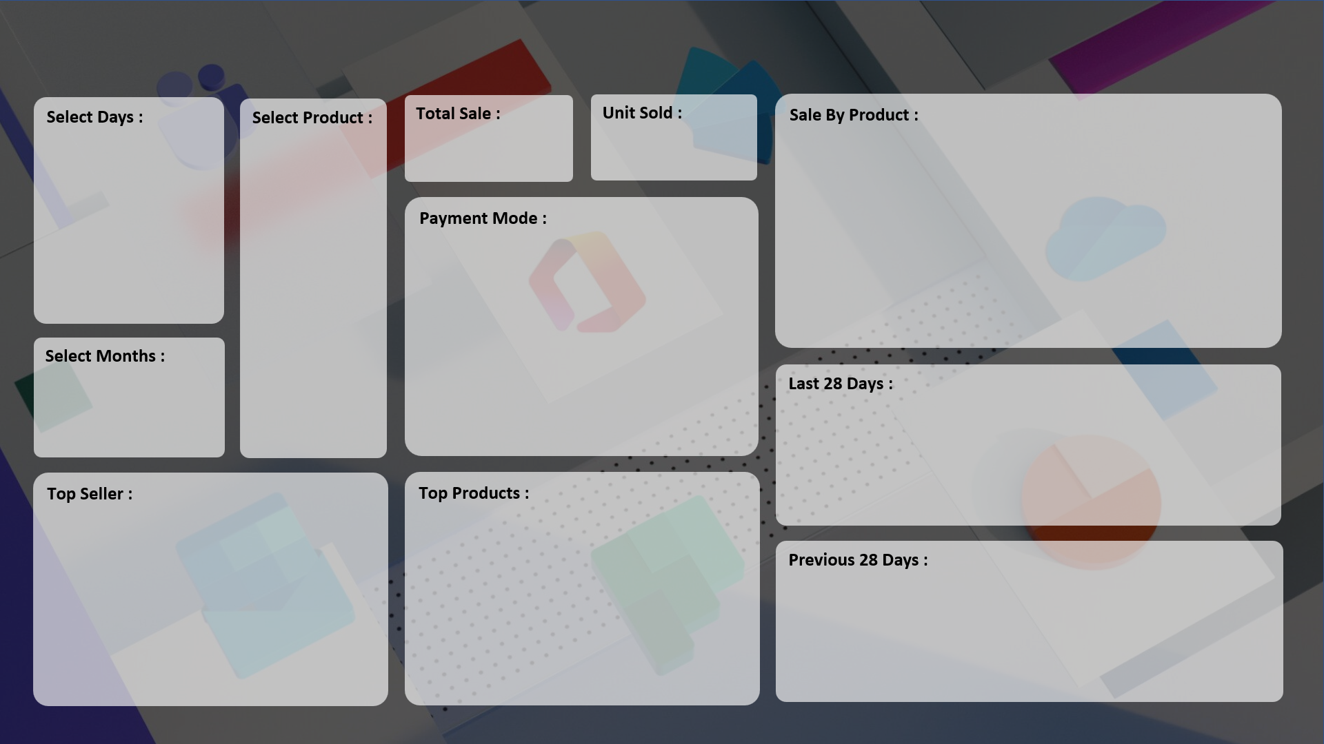
SALE PERFORMANCE DASHBOARD 2024

₹ 1,78,58,190
7,679.0
 | Total
Mouse | 787
Keyboard | 1320
Scanner | 856
HDD 256 GB | 1295
Monitor | 904
Printer | 928
SSD 256 GB | 1589

 | Total
Cash | 3974
Online | 3705

 | Total
01-04-2024 | 19
02-04-2024 | 26
03-04-2024 | 37
04-04-2024 | 37
05-04-2024 | 19
06-04-2024 | 26
07-04-2024 | 37
08-04-2024 | 37
09-04-2024 | 19
10-04-2024 | 26
11-04-2024 | 37
12-04-2024 | 37
13-04-2024 | 19
14-04-2024 | 26
15-04-2024 | 37
16-04-2024 | 37
17-04-2024 | 19
18-04-2024 | 26
19-04-2024 | 37
20-04-2024 | 37
21-04-2024 | 19
22-04-2024 | 26
23-04-2024 | 37
24-04-2024 | 37
25-04-2024 | 19
26-04-2024 | 26
27-04-2024 | 37
28-04-2024 | 37
29-04-2024 | 19
30-04-2024 | 26
01-05-2024 | 37
02-05-2024 | 37
03-05-2024 | 19
04-05-2024 | 26
05-05-2024 | 37
06-05-2024 | 37
07-05-2024 | 19
08-05-2024 | 26
09-05-2024 | 37
10-05-2024 | 37
11-05-2024 | 19
12-05-2024 | 26
13-05-2024 | 37
14-05-2024 | 37
15-05-2024 | 19
16-05-2024 | 26
17-05-2024 | 37
18-05-2024 | 37
19-05-2024 | 19
20-05-2024 | 26
...

 | Total
ABC Traders | 1669
RG Store | 2151
CCC Mart | 2426
 | Total
Keyboard | 1320
HDD 256 GB | 1295
SSD 256 GB | 1589

 | Total
06-09-2024 | 199
07-09-2024 | 186
08-09-2024 | 209
09-09-2024 | 144
10-09-2024 | 275
11-09-2024 | 240
12-09-2024 | 296

